IPI DRB Minutes
 |  | IBIDEN PHILIPPINES, INC. |  |  |  |  |  |  |  |  |  |  |  |  |  |  |  |  |  | DRB/MRB No. : |  | D-VF-19-12-003
 |  | DRB/MRB REPORT MINUTES |  |  |  |  |  |  |  |  |  |  |  |  |  |  |  |  |  | RFC No. : |  | 48-1219-0025

Theme: |  |  | Panel Jamming at CZT8
Meeting Date : |  |  | 27-Dec-19 |  |  |  |  |  |  |  |  |  |  |  | Originated by : |  |  |  | Rochelle D. Cenina
Meeting Time: |  |  | 1030H |  |  |  |  |  |  |  |  |  |  |  |  |  |  |  |  | Name /Block
Meeting Place: |  |  | VF1 Meeting Table |  |  |  |  |  |  |  |  |  |  |  | Approved by : |  |  |  | Karen I. Valenciano
Chairman: |  |  | Rochelle D. Cenina |  |  |  |  |  |  |  |  |  |  |  |  |  |  |  | Originator ASM/SM/DGM/GM
Block: |  |  | VF
Attendees : |  |  | Manufacturing |  |  | Engineering/NPD |  |  | Facilities/EE |  |  |  |  | QA/QC |  |  |  |  | PPIC/CSE |  |  |  | Other
 |  |  | R. Cenina |  |  | Renz |  |  | Dione |  |  |  |  | Leo
 |  |  |  |  |  |  |  |  | M'Jen
 |  |  |  |  |  |  |  |  | Daven
 |  |  |  |  |  |  |  |  | S'Toto
<1>PROBLEM STATEMENT : (Put another sheet if multiple lots was discovered affected)
DEFECT ISSUE: |  |  | Panel Jamming at CZT8 |  | # | PRODUCT/MODEL AFFECTED |  |  | PRODUCT FAMILY |  |  | LEDGER NO. |  | PRODUCT SIZE |  | LOT NUMBER |  |  | AFFECTEDLAYER |  | AFFECTED PANEL |  | AFFECTED UNIT OR IF PERCENTAGE
DATE/TIME OCCURRED: |  |  | Dec-23-19 |  | 1 | Coffeelake LGA 6+2 |  |  | CPU |  |  |  |  |  |  | P7948220 |  |  | 4th |  | 03, 04, 05, 06,7, |  | 100%
PROCESS DETECTED: |  |  | CZT |  | 2 |  |  |  |  |  |  |  |  |  |  |  |  |  |  |  | 12,13,14,15, 31,32 |  | 100%
PROCESS AFFECTED: |  |  | CZT |  | 3 |  |  |  |  |  |  |  |  |  |  |  |  |  |  |  | 8,9,10,11 |  | 100%
# OF AFFECTED LOTS : |  |  | 1 |  | 4
WHO DETECTED: |  |  | Leo Restum / Optr |  | 5
 |  |  |  |  | 6
 |  |  |  |  | 30
WHAT IS THE PROBLEM DIFFERENCE FROM NORMAL TO ABNORMAL SITUATION? CHANGING POINT? DISCUSS THE FLOW. (Indicate 5W and 1H)
What: During Auto operation encountered M581 Transfer Error followed by M630 Unloading Jamm Alarm.
Where: Czt 8 unloader
When: December 23, 2019/1640H
Who detected: Leo Restum/ Rochelle D. Cenina
Why: During checking found overlapped panel at dryer exit c/v then verify main machine, found panel jammed from Water rinse 3 upto dryer area
How: misalignment due to loosed set screw of sprocket resulting to magtran forcely move forward and hit on driving shaft bracket resulting to hard driving shaft rotation

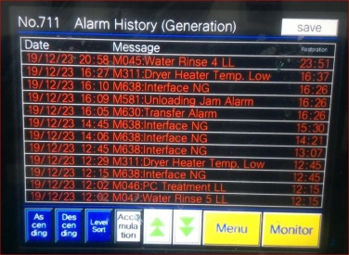
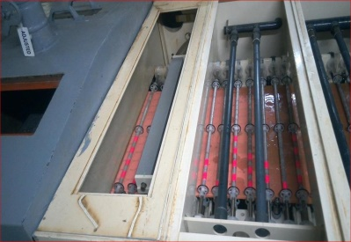

Jammed Panel Affected Location

THE AGENDA ITEM IS RECURRENCE? |  |  |  | RECURRENCE |  |  | NEW |  |  |  | Recurrence Definition |  |  |  | 1. Rootcause is clear happened in same MC and parts 2. Rootcause is not clear but same issue 3. The Action was not proliferated to other process and machine but it was discussed during the meeting
THE AGENDA ITEM IS ESCAPEE? |  |  |  | YES |  |  | NO
PROBLEM CATEGORY |  |  | MAN |  | MACHINE |  |  | METHOD |  |  | MATERIAL |  |  | MEASUREMENT |  |  |  | ENVIRONMENT |  |  |  | OTHERS
DRB CLOSING RANK |  |  | RANK 1 |  | RANK 2 |  |  | RANK 3 |  |  | RANK 4 |  |  | RANK 5 |  |  |  | OTHERS

<2> INVESTIGATION/IDENTIFICATION OF AFFECTED AREA, SITUATION (Define the phenomenon, mode and tendency occurrence,Etc.)
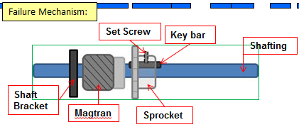

Good Condition : Shafting Have key way. Sprocket must have keyway and key bar to lock tight the set screw

ULD

Jammed Panel Affected Location
No Good Condition:
misalignment due to loosed set screw of sprocket resulting to magtran forcely move forward and hit on driving shaft bracket resulting to hard driving shaft rotation

5 mm
Driving shaft design have keyway but sprocket installed dont have keybar type
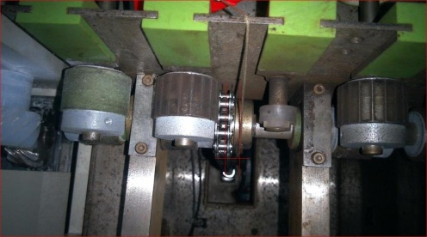

<3> CONTAINMENT ACTION (Note: Do not disable the interlock system when doing the action) |  |  |  |  |  |  |  |  |  |  |  |  |  |  |  | Responsible |  |  | Completion Date |  |  | Status
 |  |  |  |  |  |  |  |  |  |  |  |  |  |  |  | Name / Block
1. Stop czt 8 machine |  |  |  |  |  |  |  |  |  |  |  |  |  |  |  | Rochelle/VF1 |  |  | ww52
2. Hold affected |  |  |  |  |  |  |  |  |  |  |  |  |  |  |  | Rochelle/VF1 |  |  |  | ww52

<4> DISPOSITION OF AFFECTED LOT AND RISK ASSESSMENT

Assessment Item (# of sample/Method) |  |  |  | Responsible Name / Block |  |  | Completion Date |  |  | Assessment Result (No Good/TTL QTY) |  |  |  |  |  | Judgment (OK/NG) |  |  | Final Disposition
Panel appearance |  |  |  | Leo/ QC |  |  | ww52 |  |  | No good/ 15pnls |  |  |  |  |  | NG
 |  |  |  |  |  |  |  |  |  |  |  |  |  |  |  |  |  |  |  | Proceed |  | Qty : ______________________________
 |  |  |  |  |  |  |  |  |  |  |  |  |  |  |  |  |  |  |  | Piece Out |  | Qty : _______ Pnl #: ________________
 |  |  |  |  |  |  |  |  |  |  |  |  |  |  |  |  |  |  |  | Sheet Out |  | Qty : 03, 04, 05, 06,7, 12,13,14,15, 31,32,8,9,10,11
 |  |  |  |  |  |  |  |  |  |  |  |  |  |  |  |  |  |  |  | Lot Out |  | Qty : ______________________________
 |  |  |  |  |  |  |  |  |  |  |  |  |  |  |  |  |  |  |  | SDR
Risk Assessment Category |  |  |  |  |  |  |  |  |  |  | Remarks
 |  | Low |  | Medium |  |  |  | High |  |  | ________________________

<5>ACTION REQUIRED (Note: Do not disable the interlock system when doing the action)

Action Request |  |  |  |  |  |  |  |  |  | Responsible Name / Block |  |  |  |  |  | Completion Date |  |  | Detail Results
1. Replaced sprocket (temporary) |  |  |  |  |  |  |  |  |  | Fac |  |  |  |  |  | ww52
2. Provide new spare of sprocket |  |  |  |  |  |  |  |  |  | Fac/EE |  |  |  |  |  | ww08
3. Include checking of sprocket condition in PIS ( 1/6mos) |  |  |  |  |  |  |  |  |  | PM Fac |  |  |  |  |  | ww02 |  |  | until not replaced conduct weekly checking ( every PM)

<6> ROOTCAUSE GENERATION/ANALYSIS <WHY ANALYSIS by 5M1E, DESIGN AND CAPABILITY>

 | 1. FACTOR GAP ANALYSIS
 | Problem/Issue |  | Gap Type |  | 1st why |  |  |  | 2nd why |  |  |  |  |  | 3rd why |  |  |  |  |  | 4th why |  |  | 5th why
 | Panel Jamming due to misalign sprocket |  | Technical |  | Loose set screw of sprocket |  |  |  | Sprocket installed don’t have key bar |  |  |  |  |  | Different sprocket type was installed.

No Good Condition:
misalignment due to loosed set screw of sprocket resulting to magtran forcely move forward and hit on driving shaft bracket resulting to hard driving shaft rotation
 |  |  | Systemic
 |  |  | Detection
 | 2. FINAL ROOT CAUSE and MECHANISM OF AFFECTED ISSUE

Driving shaft design have keyway but sprocket installed dont have keybar type

<7> CORRECTIVE ACTION |  |  |  |  |  |  |  |  |  |  |  |  | Responsible |  |  |  | Completion Date |  |  | Status |  |  | Need CN & DR?
 |  |  |  |  |  |  |  |  |  |  |  |  | Name / Block |  |  |  |  |  |  |  |  |  | Yes | No
1. Replaced sprocket "from other mc" |  |  |  |  |  |  |  |  |  |  |  |  | Dione/Fac |  |  |  | 23-Dec-19 |  |  | temporary
2. Conduct weekly checking of sprocket condition until replaced with new one. |  |  |  |  |  |  |  |  |  |  |  |  |  | Dione/Fac |  |  | ww01

<8> PREVENTIVE ACTION |  |  |  |  |  |  |  |  |  |  |  |  | Responsible |  |  |  | Completion Date |  |  | Status |  |  | Need CN & DR?
 |  |  |  |  |  |  |  |  |  |  |  |  | Name / Block |  |  |  |  |  |  |  |  |  | Yes | No
1. Include checking of sprocket condition " alignment and presence of keybar" in PIS with frequency of 1/6mos |  |  |  |  |  |  |  |  |  |  |  |  | Dione/ Fac |  |  |  |  | ww02

<9> PROLIFERATION |  |  |  |  |  |  |  |  |  |  |  |  |  |  |  | Responsible |  |  | Completion |  |  | Status
 |  |  |  |  |  |  |  |  |  |  |  |  |  |  |  | Name / Sign |  |  | Date
Product |  | Block | Process/line |  | Machine |  | Proliferate Item
All |  | VF | czt |  | 5,6,8 |  | 1. Checking of sprocket condition |  |  |  |  |  |  |  |  | Dionne/ Fac |  |  | ww08 |  |  | on going at czt 5
 |  |  |  |  |  |  | 2
<10>AMOUNT OF LOSS . The total sum_________________
Product |  |  |  |  | Unit Qty |  |  |  |  |  |  |  | Amount of Loss |  |  |  |  |  |  | Remarks

<11> CLOSING APPROVAL (The approver person in charge should put details of the validation and closing confirmation result)
The Validation activity |  |  |  |  |  |  |  |  |  |  |  |  |  |  |  |  | Closing Approver |  |  |  |  | Closing Date
 |  |  |  |  |  |  |  |  |  |  |  |  |  |  |  |  | ASM Gloria Reyes

 |  |  |  |  |  |  |  |  |  |  |  |  |  |  |  |  |  |  |  |  |  |  |  |  | QA-SCAR-MRB-02-00-01 Rev. 11

